Extended Figure 7B
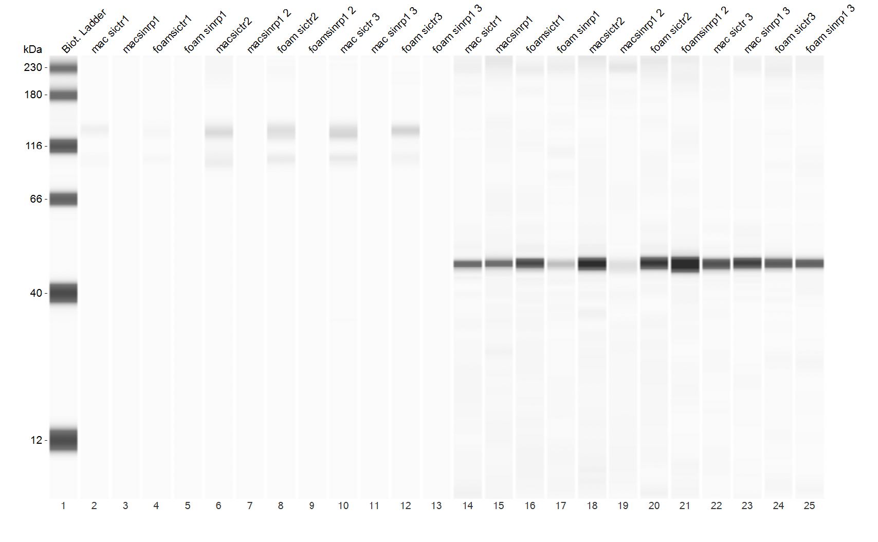
Uncropped blot

